Notes on Inflorescence
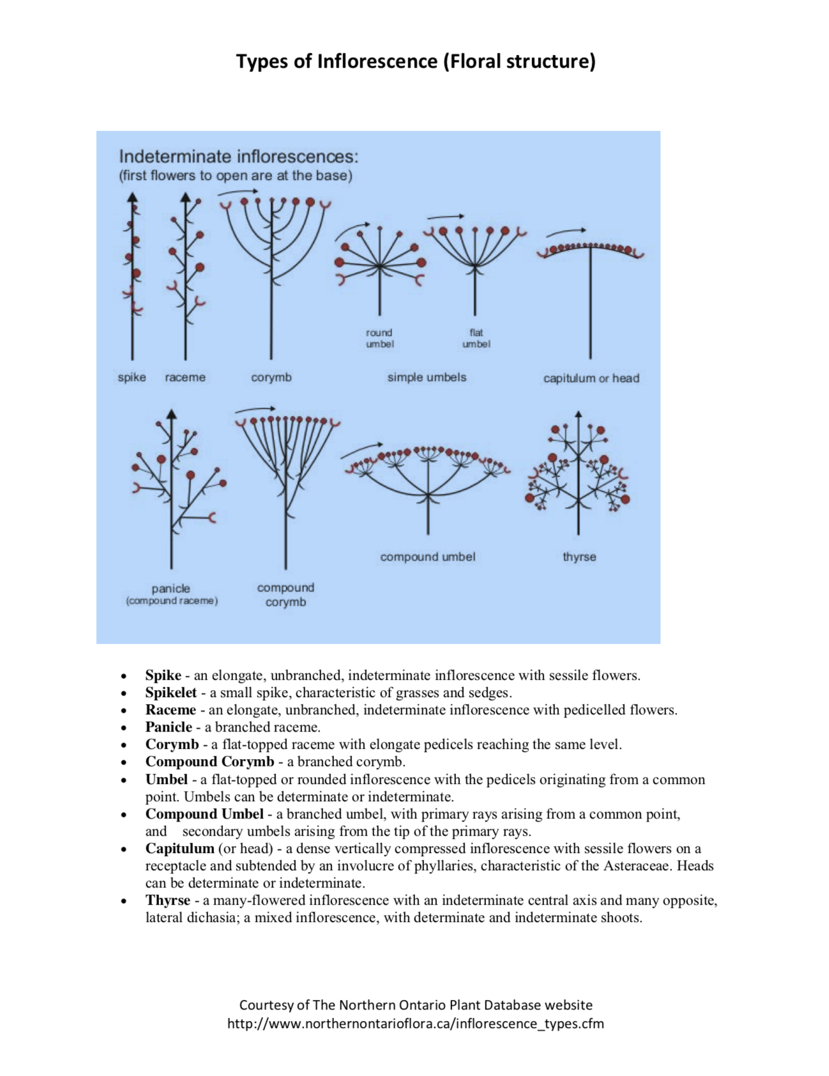
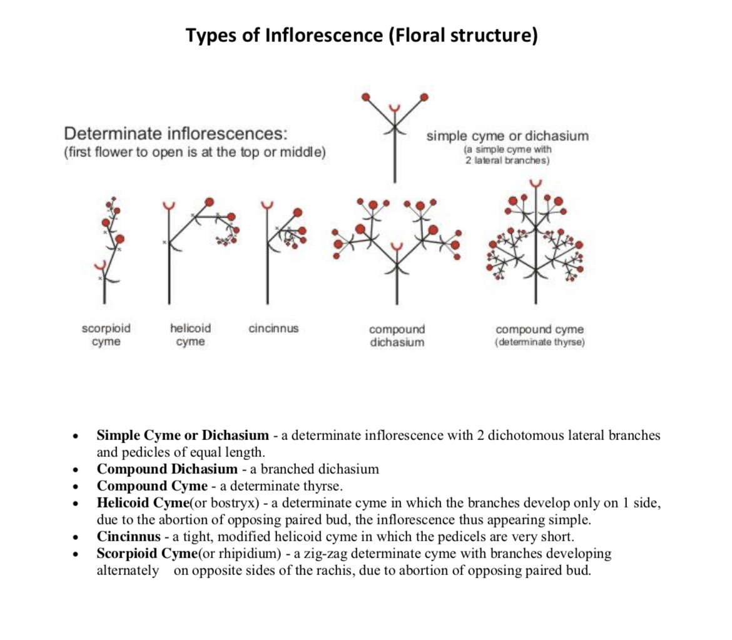
Inflorescence
English | Dutch | Description
Head | Bloemhoofd | A head is a short dense spike in which the flowers are borne directly on a broad, flat peduncle, giving the inflorescence the appearance of a single flower, as in the dandelion. This results in a grouping of small flowers in such a way as to appear as a single flower.
Spike | Toorts | A flower spike is a kind of inflorescence where a group of stalk-less flowers grow on an upright stem. The inflorescence of a plant is the arrangement of the individual flowers on the stem. ... Flowers, which are the reproductive organs of the plants, are produced from buds on the axils of the leaves
Raceme | Tros | A raceme is an unbranched, indeterminate type of inflorescence bearing pedicellate flowers (flowers having short floral stalks called pedicels) along its axis. In botany, an axis means a shoot, in this case one bearing the flowers. In indeterminate inflorescence-like racemes, the oldest flowers are borne towards the base and new flowers are produced as the shoot grows, with no predetermined growth limit. A plant that flowers on a showy raceme may have this reflected in its scientific name, e.g. Cimicifuga racemosa. A compound raceme, also called a panicle, has a branching main axis. Examples of racemes occur on mustard (genus Brassica) and radish (genus Raphanus) plants
Corymb | Tuil | A corymb is a raceme in which the pedicels of the lower flowers are longer than those of the upper flowers so that the inflorescence has a flat-topped appearance.
Umbrel | Scherm | An umbel is an inflorescence that consists of a number of short flower stalks (called pedicels) which spread from a common point, somewhat like umbrella ribs. The word was coined in botanical usage in the 1590s, from Latin umbella "parasol, sunshade".
Cyme | Schicht, schermvormige of gevorkte tros | Flower cluster with a central stem bearing a single terminal flower that develops first, the other flowers in the cluster developing as terminal buds of lateral stems.

Note 1 | The difference between raceme and corymb is that raceme is an indeterminate inflorescence in which the flowers are arranged along a single central axis while corymb is a cluster of flowers with a flat or convex top
Note 2 | The difference between corymb and umbrel is that a corymb is a short, broad, more or less flat-topped racemose inflorescence, where all flowers reach almost to the same level, whereas an umbel has several stalked flowers arising from a common point. The younger flowers are in the centre and the older towards the periphery (for both).

Other definitions
English | Dutch | Description
Stem | Stengel | Main axis of a plant which is both leave-bearing and flower-bearing
Stamens | Meeldraden | Pollen-producing reproductive organ of a flower

